Data and AI Capabilities
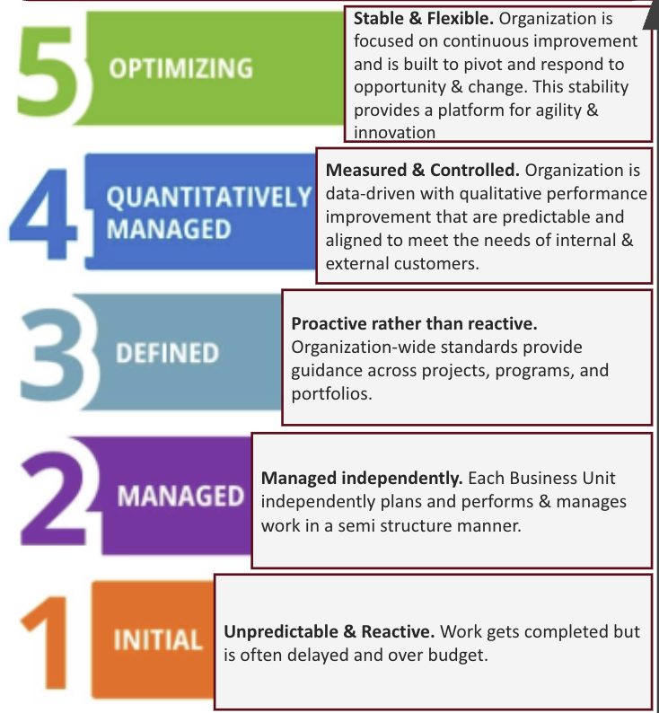
Level | Capability/ Capability Feature | Description | Priority | Current | Target | Gap | Weighted Gap
L2 | Decision Velocity and Confidence | Aligns targeted data investments, clear decision reasoning and outcomes, and empowerment of front-line employees so decisions are made quickly, consistently, and with confidence. Outcome (Master): Confident and consistent decisions are quickly made | N/A | N/A | N/A | N/A | N/A
L3 | Strategic Data Investment Framework | Directs targeted investments to execute a mature, business-aligned data strategy and treat data as a strategic asset, ensuring data initiatives deliver measurable business value Outcome: Proper investments enable the potential of data to be realized | N/A | N/A | N/A | N/A | N/A
L4 | Strategic Data Enablement Capability | Aligns leadership sponsorship, targeted investments, fit-for-purpose tools, and cross-functional PD–Digital resources to enable data initiatives that deliver strategic value. Outcome - Data is treated as a strategic asset | 1 | 2 | 4 | 2 | 2.0
L4 | Data Strategy Delivery Model | Ensures decisions are backed by the most informed, complete insights and that risks are prudently assessed, mitigated, or accepted so reasoning and expected outcomes are clear and actionable Outcome: A mature data strategy is effectively executed | 2 | 1 | 4 | 3 | 1.5
L3 | Actionable Decision Intelligence Framework | Quickly test desirabilities of new innovations by evaluating feedback from customers, partners, and other stakeholders on new ideas. Outcome: The reasoning and expected outcomes are understood and actionable | N/A | N/A | N/A | N/A | N/A
L4 | Decision Insight System | Complete, use‑case‑driven insights by combining trained models, external knowledge, alternative actions, and institutional expertise. Outcome: The most informed, intelligent and complete insights exist | 3 | 1 | 3 | 2 | 0.7
L4 | Risk Mitigation Framework | Ensures systematic risks are identified and their impacts are clearly quantified, mitigation plans are instituted and monitored, and decision-makers explicitly understand and document the trade‑offs between risk and value. Outcome: Risk is prudently assessed, understood, mitigated and/or accepted | 4 | 2 | 3 | 1 | 0.3
L3 | Frontline Decision Authority | Perform work effortlessly at the highest level by empowering employees closest to the impact points to make decisions, fostering innovative design practices, and integrating mold and tooling design seamlessly with product part design. Outcome: Employees closest to the point of business impact are empowered to make decisions | 5 | 1 | 4 | 3 | 0.6
L3 | Trusted Product Data Access | Eliminate non-value activities through early verification planning and automatic design validations, optimize concurrent activities, reduce reliance on physical testing, integrate simulations, and efficiently leverage existing data. Outcome: Secure and trusted PD data is instantly accessed | N/A | N/A | N/A | N/A | N/A
L4 | Data Product Value Delivery | Published datasets are treated as full, governed data products: they meet integrity criteria, are curated for reuse, are produced from seamlessly connected assets, and consistently deliver trustworthy, measurable business value to users. Outcome - Data products repeatedly deliver clear business value | 6 | 1 | 4 | 3 | 0.5
L4 | Authoritative Product Data Repository | A single, harmonized source of product data that is structured for enterprise delivery, updates and communicates changes instantly, and integrates seamlessly with downstream systems across the extended enterprise. Outcome - A single authoritative PD data source exists | 7 | 2 | 4 | 2 | 0.3
L4 | Enterprise Data Management | Establishes and enforces clear data ownership and stewardship, applies enterprise governance and standards (including RR&E), defines and enforces data use rights, and implements access controls so that data is consistently managed, maintained, and consumable across all business domains and consumption paths. Outcome - Data is well managed and maintained | 8 | 2 | 4 | 2 | 0.3

 |  |  |  |  | Total Weighted Gap Score |  | 6.1

Maturity Matrix
Data & AI Enablement
Key Outcome: Confident and consistent decisions are made
Decisions are made effectively and efficiently across the business with trustworthy data by leveraging key insights delivered at every decision point.

Stable & Flexible. Organization is focused on continuous improvement and is built to pivot and respond to opportunity & change. This stability provides a platform for agility & innovation
Measured & Controlled. Organization is data-driven with qualitative performance improvement that are predictable and aligned to meet the needs of internal & external customers.
Proactive rather than reactive. Organization-wide standards provide guidance across projects, programs, and portfolios.
 |  |  |  |  |  |  |  |  | T
 |  | T | T |  |  | T | T | T
 |  |  |  | T | T
Managed independently. Each Business Unit independently plans and performs & manages work in a semi structure manner.
 |  | X |  |  | X |  |  | X | X
Unpredictable & Reactive. Work gets completed but is often delayed and over budget.
 |  |  | X | X |  | X | X
Capability Features
L3
Strategic Data Investment
Actionable Decision Intelligence Framework
Point of Decision Insight Delivery
Data Lifecycle Governance
L4
Strategic Data Enablement
Data Strategy Implementation
Enhanced Decision Intelligence
Risk Assessment Framework
Data Product Value Delivery
Intentional Data Architecture
Data Management
Weighted Maturity
Gap
Maturity Priority
Maturity Gap
 | 7.04 | 2 | 3 | 5 | 8 | 7 | 4 | 6 | 1
 |  | 2 | 3 | 2 | 1 | 3 | 3 | 2 | 3

Revised: 9/29/2025 17:28.

